Network_Diagram
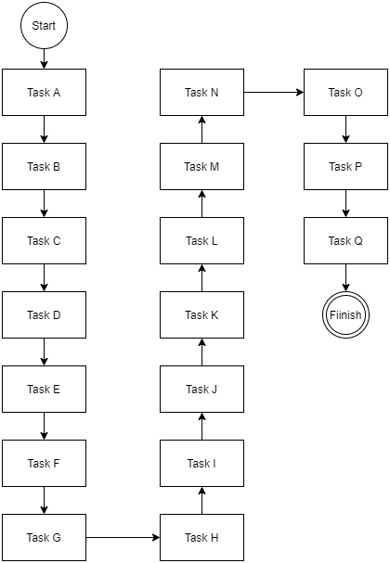
 | TASK | Predecessors | Time (days)
A | Surveys |  | 2
B | Interviews |  | 5
C | Data Analysis (Based on requirement Gathering) |  | 4
D | Use Case Diagram |  | 3
E | User Interface Diagram |  | 3
F | Preparation of ERD |  | 10
G | Schema Design and other necessary Documentation |  | 8
H | Databse Designing |  | 6
I | UI/UX Design |  | 15
J | Back-end Development |  | 20
K | Integration of components |  | 7
L | Testing and Usability |  | 10
M | Website Designing Completed |  | 0
N | Bug Detections/ Debugging |  | 5
O | Quality Assurance |  | 18
P | Deployment |  | 3
Q | Installation |  | 4
R | Feedback |  | 2

 |  |  | 125

Calculations
Start
A |  |  | B |  |  | C |  |  | D |  |  | E
2 | 0 | 2 | 5 | 2 | 7 | 4 | 7 | 11 | 3 | 11 | 14 | 3 | 14 | 17
 | 0 | 2 |  | 2 | 7 |  | 7 | 11 |  | 11 | 14 |  | 14 | 17
Slack = 0 |  |  | Slack = 0 |  |  | Slack = 0 |  |  | Slack = 0 |  |  | Slack = 0

J |  |  | I |  |  | H |  |  | G |  |  | F
20 | 51 | 71 | 15 | 36 | 51 | 6 | 30 | 36 | 5 | 25 | 30 | 8 | 17 | 25
 | 51 | 71 |  | 36 | 51 |  | 30 | 36 |  | 25 | 30 |  | 17 | 25
Slack = 0 |  |  | Slack = 0 |  |  | Slack = 0 |  |  | Slack = 0 |  |  | Slack = 0

K |  |  | L |  |  | M |  |  | N |  |  | O
7 | 71 | 78 | 10 | 78 | 88 | 5 | 88 | 93 | 18 | 93 | 111 | 3 | 111 | 114
 | 71 | 78 |  | 78 | 88 |  | 88 | 93 |  | 93 | 111 |  | 111 | 114
Slack = 0 |  |  | Slack = 0 |  |  | Slack = 0 |  |  | Slack = 0 |  |  | Slack = 0

Finish
 |  |  |  |  |  |  |  |  | Q |  |  | P
 |  |  |  |  |  |  |  |  | 2 | 118 | 120 | 4 | 114 | 118
 |  |  |  |  |  |  |  |  |  | 118 | 120 |  | 114 | 118
 |  |  |  |  |  |  |  |  | Slack = 0 |  |  | Slack = 0

